Data types
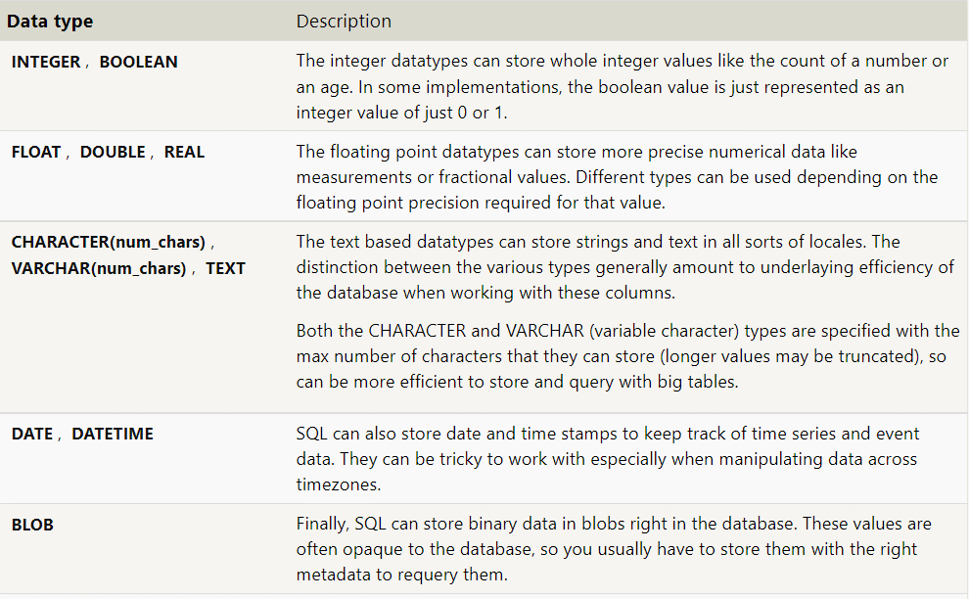
Data type | Description
CHAR(size) | A FIXED length string (can contain letters, numbers, and special characters). The size parameter specifies the column length in characters - can be from 0 to 255. Default is 1
VARCHAR(size) | A VARIABLE length string (can contain letters, numbers, and special characters). The size parameter specifies the maximum column length in characters - can be from 0 to 65535
BINARY(size) | Equal to CHAR(), but stores binary byte strings. The size parameter specifies the column length in bytes. Default is 1
VARBINARY(size) | Equal to VARCHAR(), but stores binary byte strings. The size parameter specifies the maximum column length in bytes.
TINYBLOB | For BLOBs (Binary Large Objects). Max length: 255 bytes
TINYTEXT | Holds a string with a maximum length of 255 characters
TEXT(size) | Holds a string with a maximum length of 65,535 bytes
BLOB(size) | For BLOBs (Binary Large Objects). Holds up to 65,535 bytes of data
MEDIUMTEXT | Holds a string with a maximum length of 16,777,215 characters
MEDIUMBLOB | For BLOBs (Binary Large Objects). Holds up to 16,777,215 bytes of data
LONGTEXT | Holds a string with a maximum length of 4,294,967,295 characters
LONGBLOB | For BLOBs (Binary Large Objects). Holds up to 4,294,967,295 bytes of data
ENUM(val1, val2, val3, ...) | A string object that can have only one value, chosen from a list of possible values. You can list up to 65535 values in an ENUM list. If a value is inserted that is not in the list, a blank value will be inserted. The values are sorted in the order you enter them
SET(val1, val2, val3, ...) | A string object that can have 0 or more values, chosen from a list of possible values. You can list up to 64 values in a SET list
Numeric Data Types
Data type | Description
BIT(size) | A bit-value type. The number of bits per value is specified in size. The size parameter can hold a value from 1 to 64. The default value for size is 1.
TINYINT(size) | A very small integer. Signed range is from -128 to 127. Unsigned range is from 0 to 255. The size parameter specifies the maximum display width (which is 255)
BOOL | Zero is considered as false, nonzero values are considered as true.
BOOLEAN | Equal to BOOL
SMALLINT(size) | A small integer. Signed range is from -32768 to 32767. Unsigned range is from 0 to 65535. The size parameter specifies the maximum display width (which is 255)
MEDIUMINT(size) | A medium integer. Signed range is from -8388608 to 8388607. Unsigned range is from 0 to 16777215. The size parameter specifies the maximum display width (which is 255)
INT(size) | A medium integer. Signed range is from -2147483648 to 2147483647. Unsigned range is from 0 to 4294967295. The size parameter specifies the maximum display width (which is 255)
INTEGER(size) | Equal to INT(size)
BIGINT(size) | A large integer. Signed range is from -9223372036854775808 to 9223372036854775807. Unsigned range is from 0 to 18446744073709551615. The size parameter specifies the maximum display width (which is 255)
FLOAT(size, d) | A floating point number. The total number of digits is specified in size. The number of digits after the decimal point is specified in the d parameter. This syntax is deprecated in MySQL 8.0.17, and it will be removed in future MySQL versions
FLOAT(p) | A floating point number. MySQL uses the p value to determine whether to use FLOAT or DOUBLE for the resulting data type. If p is from 0 to 24, the data type becomes FLOAT(). If p is from 25 to 53, the data type becomes DOUBLE()
DOUBLE(size, d) | A normal-size floating point number. The total number of digits is specified in size. The number of digits after the decimal point is specified in the d parameter
DOUBLE PRECISION(size, d)
DECIMAL(size, d) | An exact fixed-point number. The total number of digits is specified in size. The number of digits after the decimal point is specified in the d parameter. The maximum number for size is 65. The maximum number for d is 30. The default value for size is 10. The default value for d is 0.
DEC(size, d) | Equal to DECIMAL(size,d)
Note: All the numeric data types may have an extra option: UNSIGNED or ZEROFILL. If you add the UNSIGNED option, MySQL disallows negative values for the column. If you add the ZEROFILL option, MySQL automatically also adds the UNSIGNED attribute to the column.
Date and Time Data Types
Data type | Description
DATE | A date. Format: YYYY-MM-DD. The supported range is from '1000-01-01' to '9999-12-31'
DATETIME(fsp) | A date and time combination. Format: YYYY-MM-DD hh:mm:ss. The supported range is from '1000-01-01 00:00:00' to '9999-12-31 23:59:59'. Adding DEFAULT and ON UPDATE in the column definition to get automatic initialization and updating to the current date and time
TIMESTAMP(fsp) | A timestamp. TIMESTAMP values are stored as the number of seconds since the Unix epoch ('1970-01-01 00:00:00' UTC). Format: YYYY-MM-DD hh:mm:ss. The supported range is from '1970-01-01 00:00:01' UTC to '2038-01-09 03:14:07' UTC. Automatic initialization and updating to the current date and time can be specified using DEFAULT CURRENT_TIMESTAMP and ON UPDATE CURRENT_TIMESTAMP in the column definition
TIME(fsp) | A time. Format: hh:mm:ss. The supported range is from '-838:59:59' to '838:59:59'
YEAR | A year in four-digit format. Values allowed in four-digit format: 1901 to 2155, and 0000.
 | MySQL 8.0 does not support year in two-digit format.
SQL Server Data Types
String Data Types
Data type | Description | Max size | Storage
char(n) | Fixed width character string | 8,000 characters | Defined width
varchar(n) | Variable width character string | 8,000 characters | 2 bytes + number of chars
varchar(max) | Variable width character string | 1,073,741,824 characters | 2 bytes + number of chars
text | Variable width character string | 2GB of text data | 4 bytes + number of chars
nchar | Fixed width Unicode string | 4,000 characters | Defined width x 2
nvarchar | Variable width Unicode string | 4,000 characters
nvarchar(max) | Variable width Unicode string | 536,870,912 characters
ntext | Variable width Unicode string | 2GB of text data
binary(n) | Fixed width binary string | 8,000 bytes
varbinary | Variable width binary string | 8,000 bytes
varbinary(max) | Variable width binary string | 2GB
image | Variable width binary string | 2GB
Numeric Data Types
Data type | Description | Storage
bit | Integer that can be 0, 1, or NULL
tinyint | Allows whole numbers from 0 to 255 | 1 byte
smallint | Allows whole numbers between -32,768 and 32,767 | 2 bytes
int | Allows whole numbers between -2,147,483,648 and 2,147,483,647 | 4 bytes
bigint | Allows whole numbers between -9,223,372,036,854,775,808 and 9,223,372,036,854,775,807 | 8 bytes
decimal(p,s) | Fixed precision and scale numbers. | 5-17 bytes
 | Allows numbers from -10^38 +1 to 10^38 –1.
 | The p parameter indicates the maximum total number of digits that can be stored (both to the left and to the right of the decimal point). p must be a value from 1 to 38. Default is 18.
 | The s parameter indicates the maximum number of digits stored to the right of the decimal point. s must be a value from 0 to p. Default value is 0
numeric(p,s) | Fixed precision and scale numbers | 5-17 bytes
 | Allows numbers from -10^38 +1 to 10^38 –1.
 | The p parameter indicates the maximum total number of digits that can be stored (both to the left and to the right of the decimal point). p must be a value from 1 to 38. Default is 18.
 | The s parameter indicates the maximum number of digits stored to the right of the decimal point. s must be a value from 0 to p. Default value is 0
smallmoney | Monetary data from -214,748.3648 to 214,748.3647 | 4 bytes
money | Monetary data from -922,337,203,685,477.5808 to 922,337,203,685,477.5807 | 8 bytes
float(n) | Floating precision number data from -1.79E + 308 to 1.79E + 308. | 4 or 8 bytes
 | The n parameter indicates whether the field should hold 4 or 8 bytes. float(24) holds a 4-byte field and float(53) holds an 8-byte field. Default value of n is 53.
real | Floating precision number data from -3.40E + 38 to 3.40E + 38 | 4 bytes
Date and Time Data Types
Data type | Description | Storage
datetime | From January 1, 1753 to December 31, 9999 with an accuracy of 3.33 milliseconds | 8 bytes
datetime2 | From January 1, 0001 to December 31, 9999 with an accuracy of 100 nanoseconds | 6-8 bytes
smalldatetime | From January 1, 1900 to June 6, 2079 with an accuracy of 1 minute | 4 bytes
date | Store a date only. From January 1, 0001 to December 31, 9999 | 3 bytes
time | Store a time only to an accuracy of 100 nanoseconds | 3-5 bytes
datetimeoffset | The same as datetime2 with the addition of a time zone offset | 8-10 bytes
timestamp | Stores a unique number that gets updated every time a row gets created or modified. The timestamp value is based upon an internal clock and does not correspond to real time. Each table may have only one timestamp variable
Other Data Types
Data type | Description
sql_variant | Stores up to 8,000 bytes of data of various data types, except text, ntext, and timestamp
uniqueidentifier | Stores a globally unique identifier (GUID)
xml | Stores XML formatted data. Maximum 2GB
cursor | Stores a reference to a cursor used for database operations
table | Stores a result-set for later processing
MS Access Data Types
Data type | Description | Storage
Text | Use for text or combinations of text and numbers. 255 characters maximum
Memo | Memo is used for larger amounts of text. Stores up to 65,536 characters. Note: You cannot sort a memo field. However, they are searchable
Byte | Allows whole numbers from 0 to 255 | 1 byte
Integer | Allows whole numbers between -32,768 and 32,767 | 2 bytes
Long | Allows whole numbers between -2,147,483,648 and 2,147,483,647 | 4 bytes
Single | Single precision floating-point. Will handle most decimals | 4 bytes
Double | Double precision floating-point. Will handle most decimals | 8 bytes
Currency | Use for currency. Holds up to 15 digits of whole dollars, plus 4 decimal places. Tip: You can choose which country's currency to use | 8 bytes
AutoNumber | AutoNumber fields automatically give each record its own number, usually starting at 1 | 4 bytes
Date/Time | Use for dates and times | 8 bytes
Yes/No | A logical field can be displayed as Yes/No, True/False, or On/Off. In code, use the constants True and False (equivalent to -1 and 0). Note: Null values are not allowed in Yes/No fields | 1 bit
Ole Object | Can store pictures, audio, video, or other BLOBs (Binary Large Objects) | up to 1GB
Hyperlink | Contain links to other files, including web pages
Lookup Wizard | Let you type a list of options, which can then be chosen from a drop-down list | 4 bytes

WHERE Clause
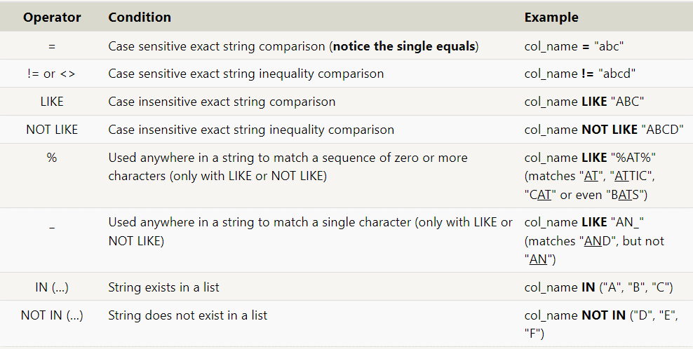

Order
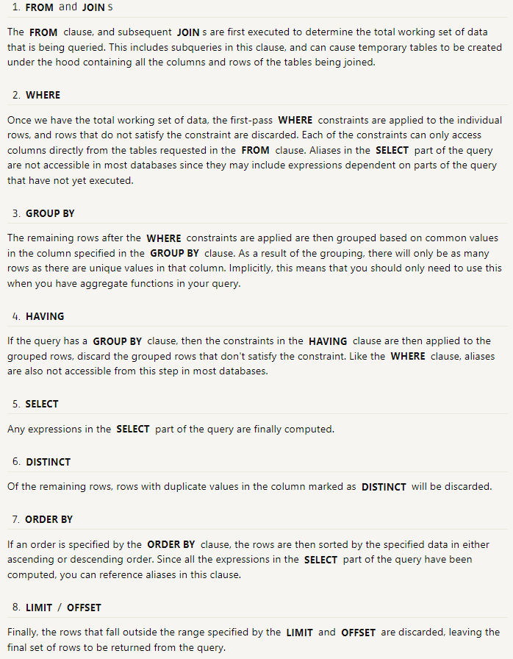

Constraint
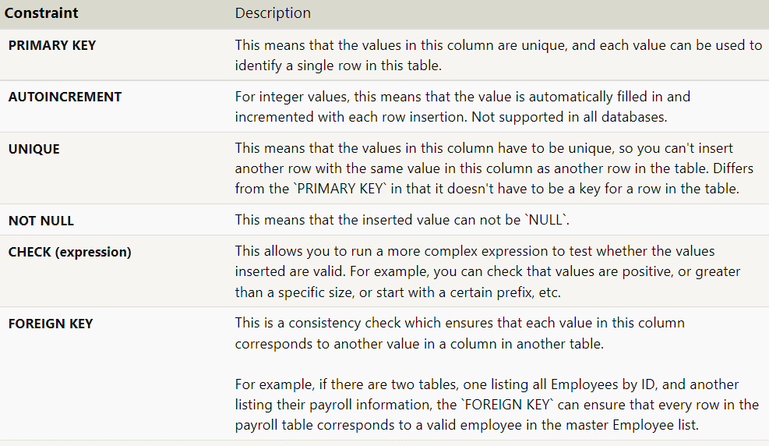

table |  | errror name

 | column | table | column

%
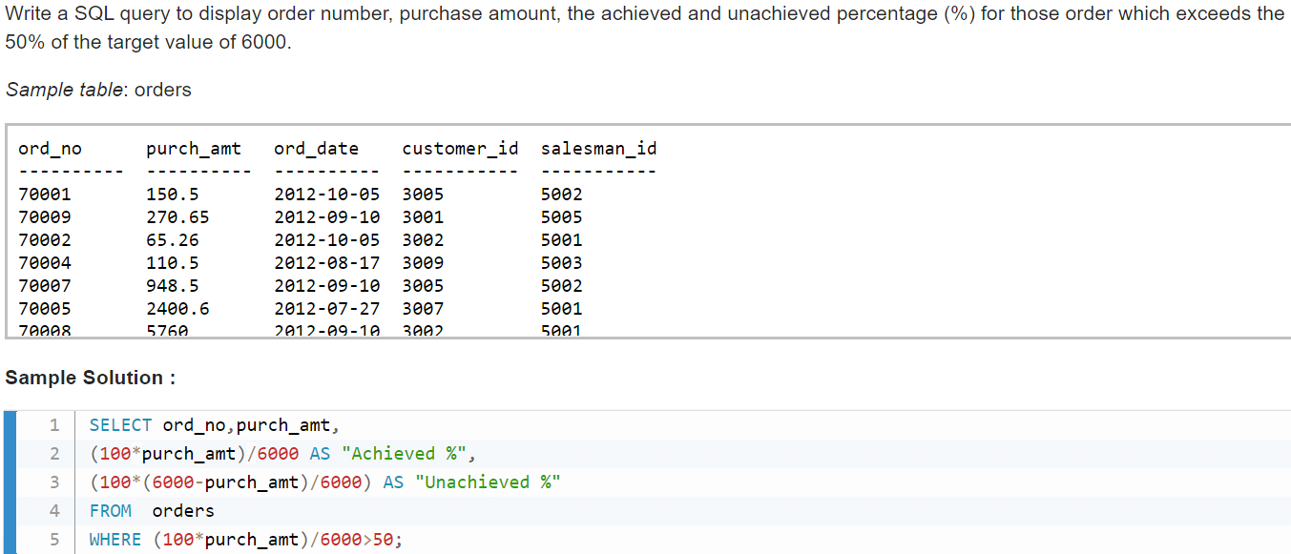

Misc
 |  |  |  | a=b=c

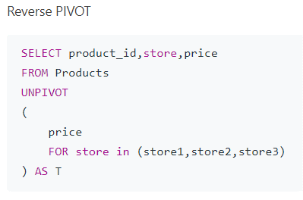

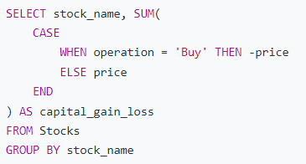

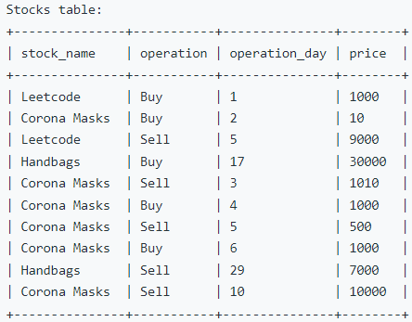
 |  |  |  |  | per sottrarre valori in base ad un atra colonna

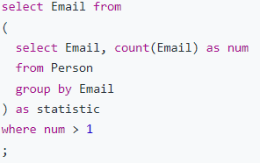
 | per contare duplicati | OR | use | having count |  | HAVING COUNT(timestamp)

 |  |  |  |  |  | use of group by quando ce ne sono molteplici

select id, |  |  | when u check the presence of a "string" from an entire column |  |  |  | SELECT building_name
case when p_id is null then 'Root' |  |  |  |  |  |  | FROM buildings
when id in (select p_id from tree) then 'Inner' |  |  |  |  |  |  | WHERE building_name IN (
else 'Leaf' |  |  | SELECT customer_id,cust_name, city FROM customer WHERE EXISTS (SELECT * FROM customer WHERE city='London'); |  |  |  | SELECT building
end as Type |  |  |  |  |  |  | FROM employees
from tree |  |  | or if a string exists in the entire table |  |  |  | )
order by id |  |  |  |  |  |  | ;

select u.user_id as buyer_id, join_date, sum(case when left(order_date,4) = '2019' then 1 else 0 end) as orders_in_2019 |  |  |  |  |  | per contare quante volte order date è stato usato
from Users u left join Orders o on u.user_id = o.buyer_id
group by u.user_id

Pivot
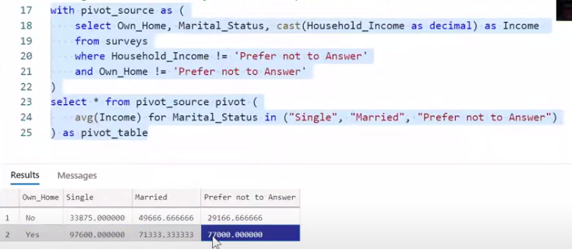
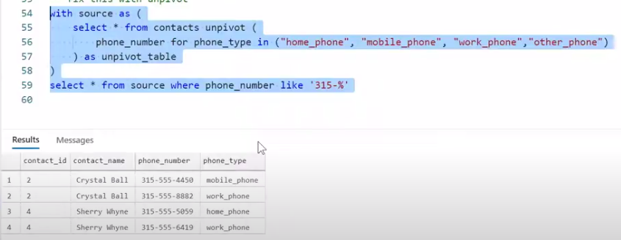
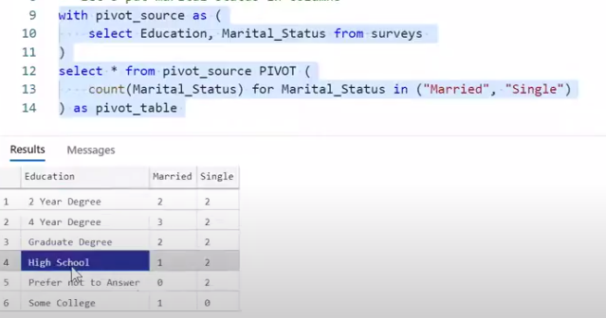

must match Value name

Commands Types
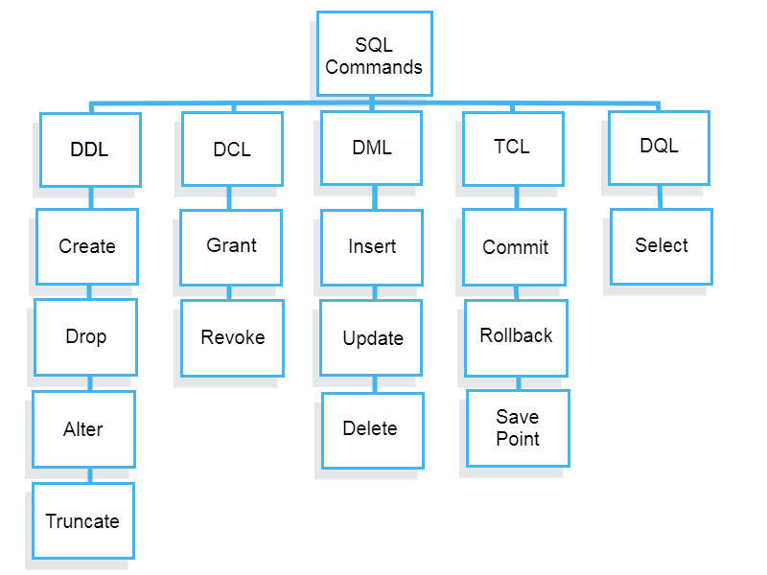

T

Time
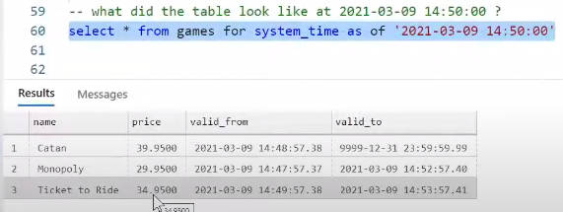
https://www.youtube.com/watch?v=reTRNdwDUhg&list=PLyRiRUsTyUXghCQTvsCeMjOCVjIIPsopR&index=21

